Gap Analysis
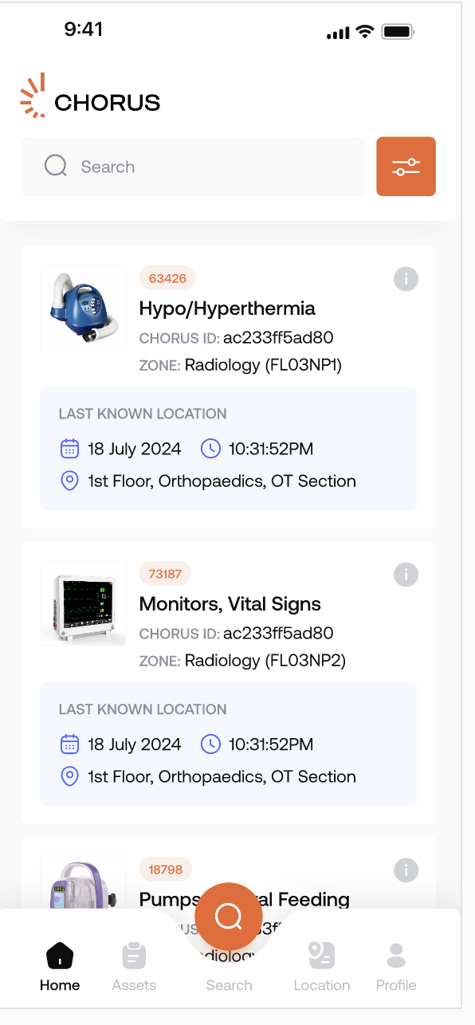

1 | Asset Listing page

 |  | What needs to shown when we click on i button

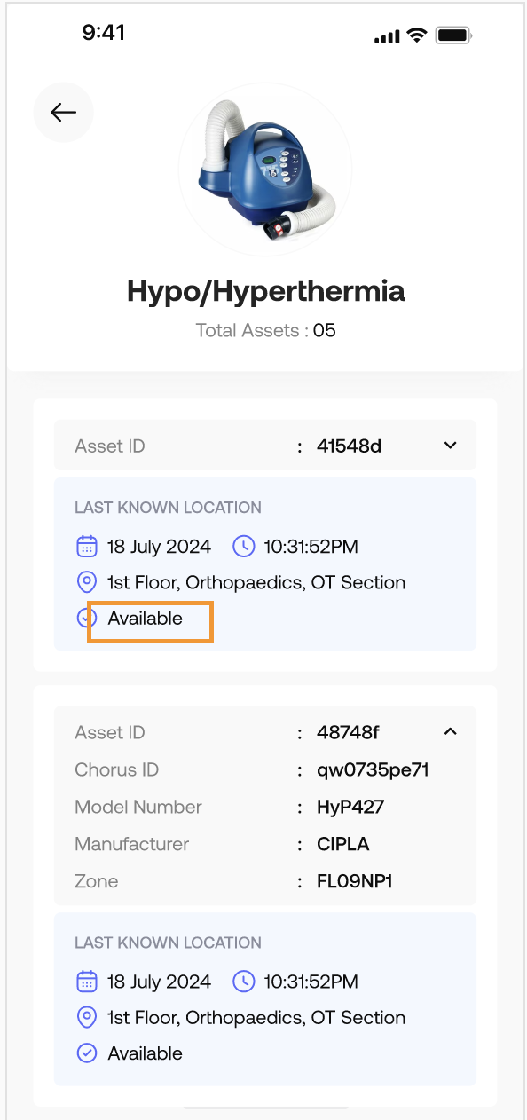
2 | Assert detailed page

 |  | Unable to locate == N then Available ?
 |  | Or
 |  | Is this status from the datasheet

 |  | Zone Category = Non Productive = Available else check availability

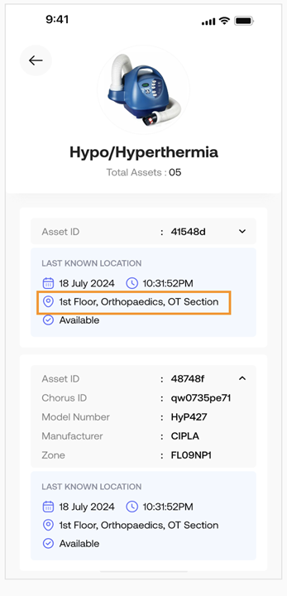
3 | Asset Details Page

 |  | In The data sheet we have only section details available we will also be needing floor details in Last Location field


 |  | Asset Category
4 | Filter Screen | 1.As mentioned by angeline productive and non productive will be asset category for filtering but here is no selection for asset category values or filter
 |  | 2. Also CSV has Zone category column with productive / Non productive values so are we refering to this column

 |  | Location
 |  | 1. Whether we need to show all the available locations on the filtering screen?

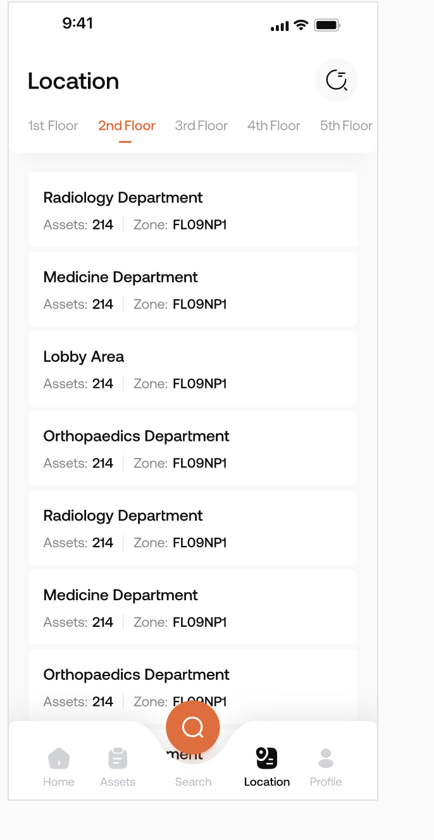

 |  | 1. Where will we be getting floor details for this ? | Zone ID
5 | Location Tab | 2. where will we be getting this department details ?

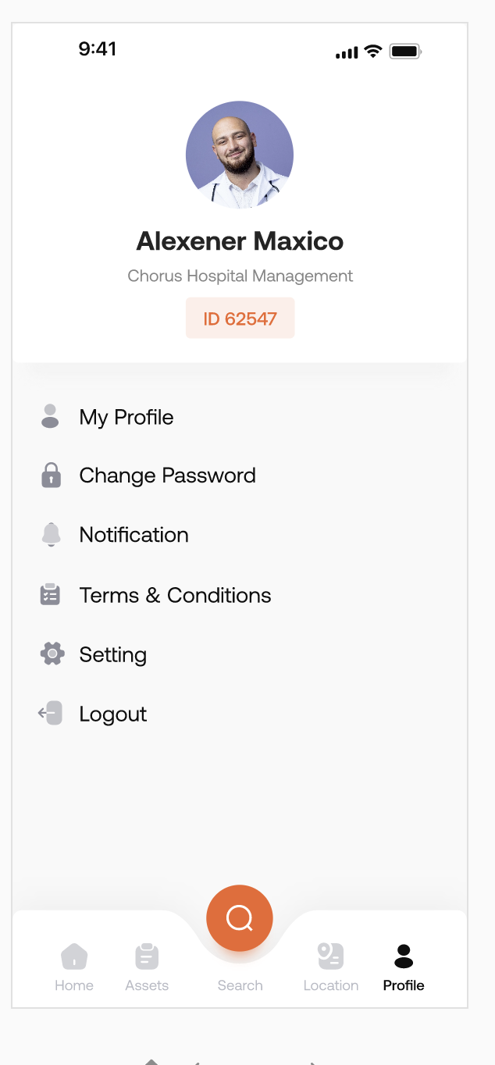

6 | Profile | 1. where will we be getting the username and designation as in registration process there is only email id do we need to include these fields at the time of registration?
 |  | 2. Please provide T&C
 |  | 3

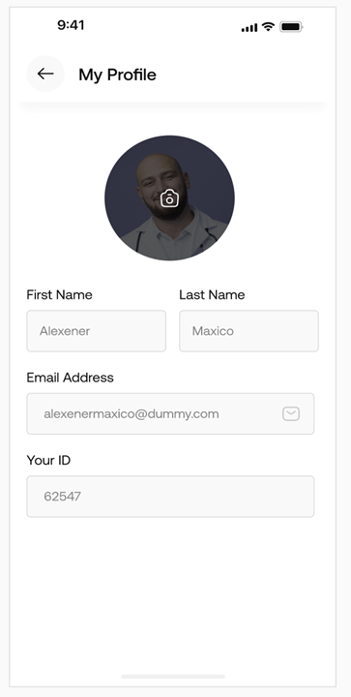
7 | Detailed Profile screen | 1. As angeline mentioned user id would be the same as email id. So what does your ID field indicate ?
 |  | 2. are we giving provision to change user image ?

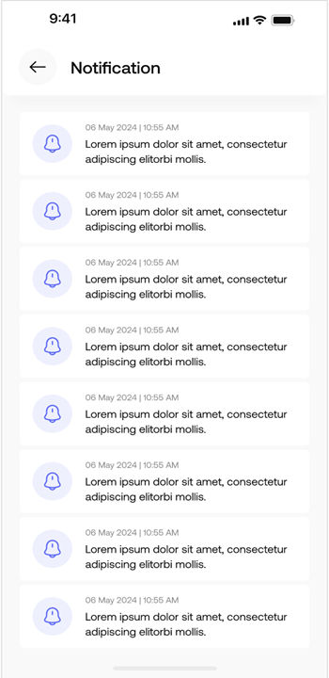
8 | Notification page
 |  | 1. What kind of notification we have to trigger
 |  | 2. Do we have to implement push notification ?

9 | Dashboard

 |  | As confirmed by Angeline dashboard is not part of MVP

10 | Asset Listing | For getting total count we will be applying aggregate on Asset name
 |  | Monitoring count is Productive (Zone Category column)
 |  | What is this 100%
 |  | Treatment Equipment is static heading or is it some category (where we’ll be getting this)?

 |  | Monitoring = Unable to locate should be N and

11 | Map

 |  | Map is not part of MVP (Please confirm)

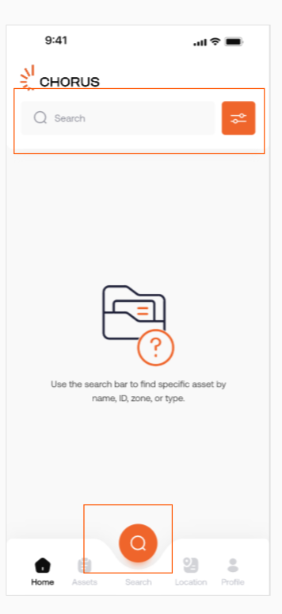
12 | Searches

 |  | What is the differnce in these 2 search optiuons are they the same ?

Images
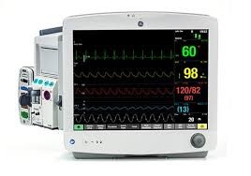
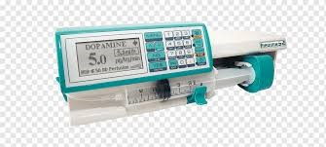
S.no | Description | Image
1 | Infusion Pumps, BLOOD

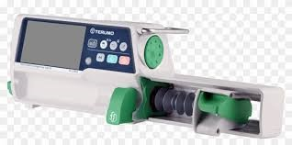
2 | Infusion Pumps

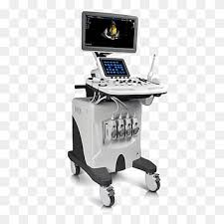
3 | Ultrasound Surgical Units

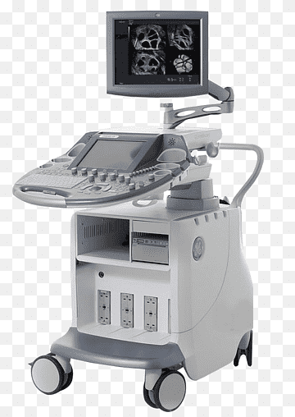
4 | Ultrasound Units

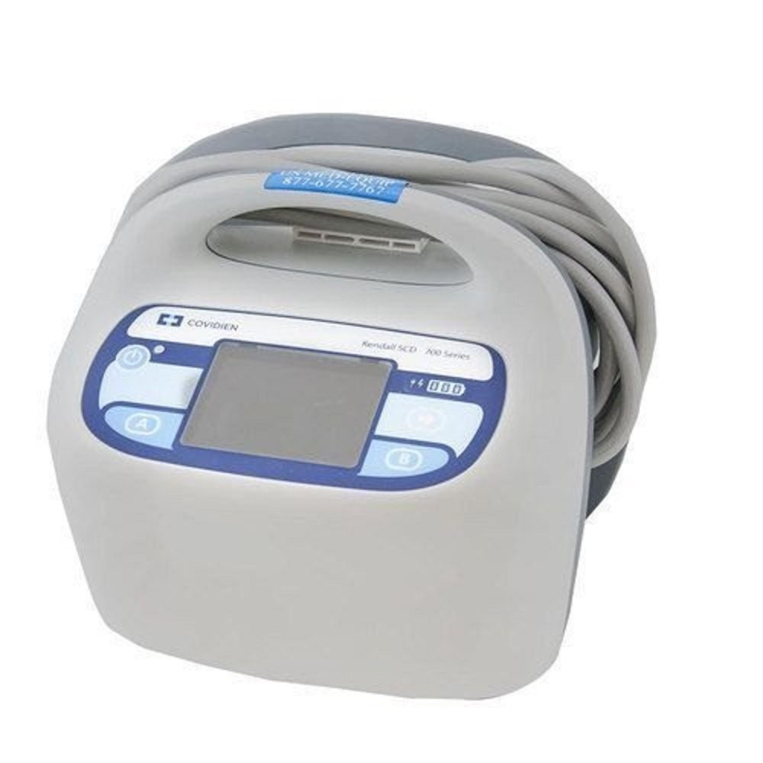
5 | Circulatory Assist,SCD

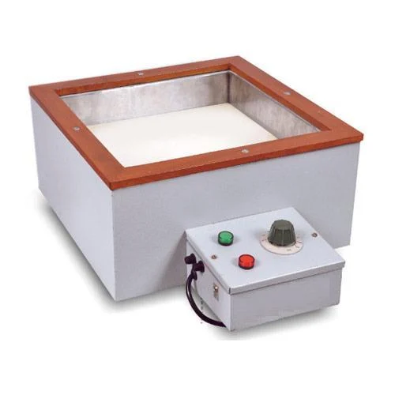
6 | Baths, Paraffin

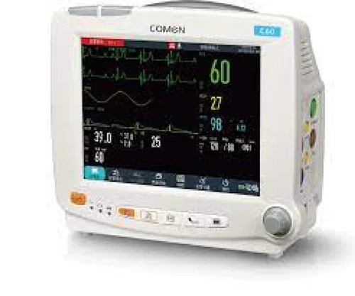
7 | Monitors, Central Station


8 | Monitors,VitalSigns

9 | Hypo/Hyperthermia

10 | Monitors, Vital Signs

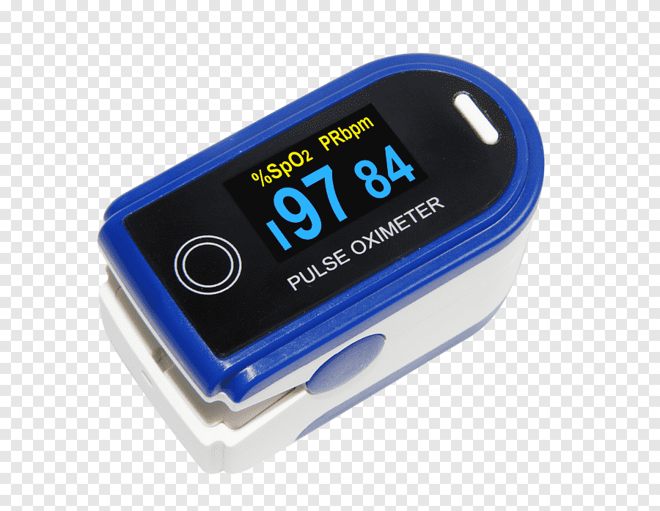
11 | Oximeters, Pulse

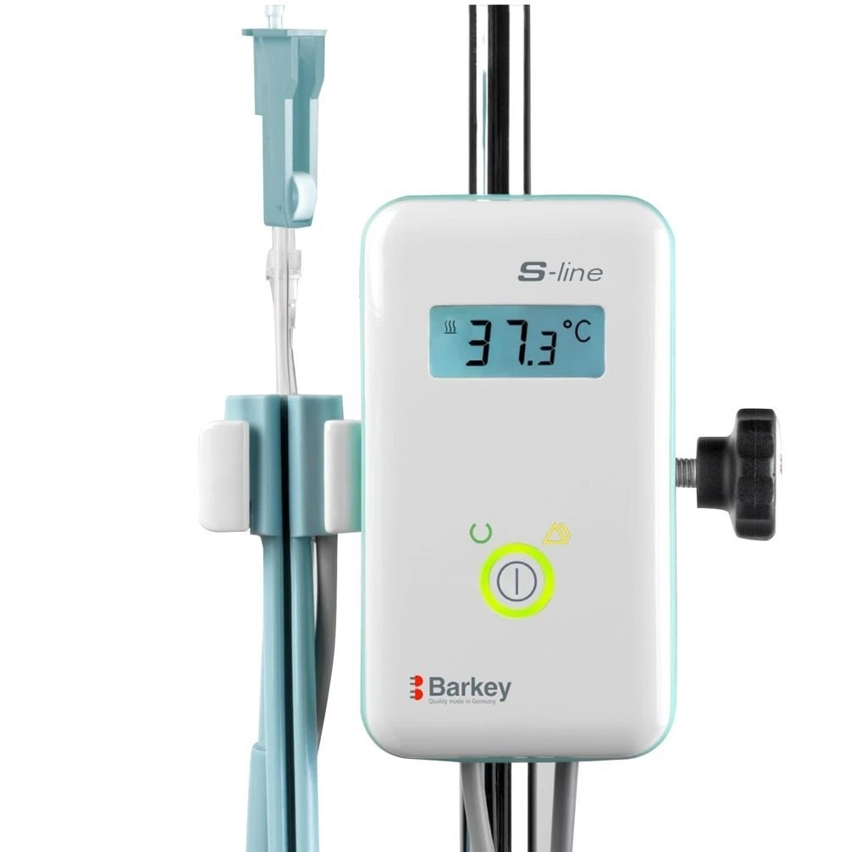
12 | Warming Units, Blood/Solution

13 | Pumps, Enteral Feeding

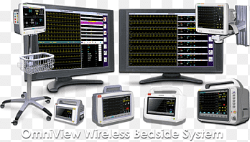
14 | Telemetry Box

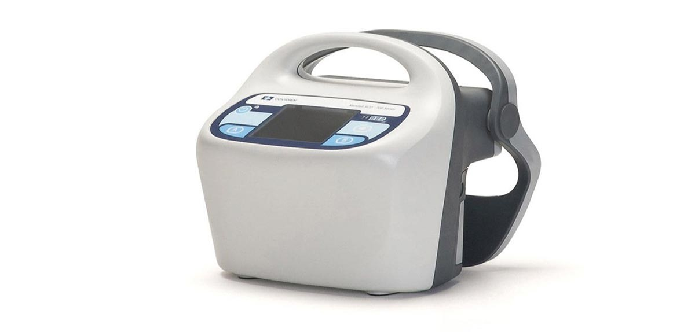

15 | Circulatory Assist, Peripheral, SCD

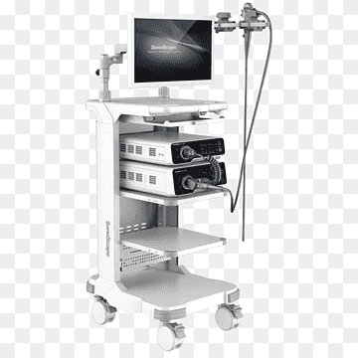
16 | Endoscopes, CMAC

17 | PhysiologicMonitorModule,Multi

